PopulationReport
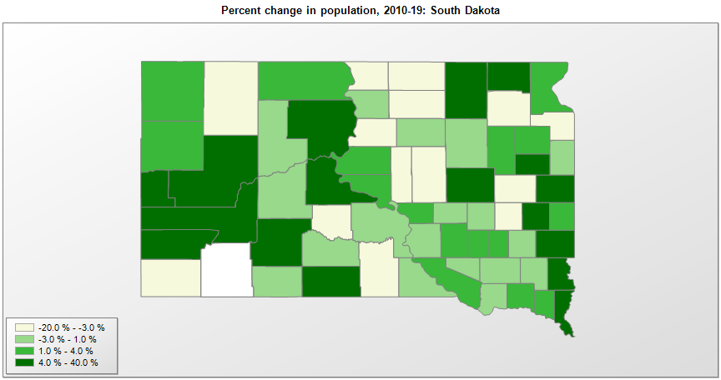

FIPS* | County name | RUC code | Pop. 1990 | Pop. 2000 | Pop. 2010 | Pop. 2019 | Change 2010-19
46000 | South Dakota |  | 696,004 | 754,858 | 814,198 | 884,659 | 8.7%
46003 | Aurora County | 9 | 3,135 | 3,051 | 2,710 | 2,751 | 1.5%
46005 | Beadle County | 7 | 18,253 | 17,027 | 17,399 | 18,453 | 6.1%
46007 | Bennett County | 9 | 3,206 | 3,572 | 3,431 | 3,365 | -1.9%
46009 | Bon Homme County | 9 | 7,089 | 7,262 | 7,067 | 6,901 | -2.3%
46011 | Brookings County | 5 | 25,207 | 28,233 | 31,966 | 35,077 | 9.7%
46013 | Brown County | 5 | 35,580 | 35,468 | 36,532 | 38,839 | 6.3%
46015 | Brule County | 9 | 5,485 | 5,362 | 5,255 | 5,297 | 0.8%
46017 | Buffalo County | 9 | 1,759 | 2,032 | 1,913 | 1,962 | 2.6%
46019 | Butte County | 6 | 7,914 | 9,093 | 10,112 | 10,429 | 3.1%
46021 | Campbell County | 9 | 1,965 | 1,782 | 1,466 | 1,376 | -6.1%
46023 | Charles Mix County | 9 | 9,131 | 9,350 | 9,131 | 9,292 | 1.8%
46025 | Clark County | 9 | 4,403 | 4,143 | 3,691 | 3,736 | 1.2%
46027 | Clay County | 6 | 13,186 | 13,538 | 13,866 | 14,070 | 1.5%
46029 | Codington County | 5 | 22,698 | 25,909 | 27,225 | 28,009 | 2.9%
46031 | Corson County | 9 | 4,195 | 4,177 | 4,040 | 4,086 | 1.1%
46033 | Custer County | 3 | 6,179 | 7,268 | 8,218 | 8,972 | 9.2%
46035 | Davison County | 7 | 17,503 | 18,743 | 19,504 | 19,775 | 1.4%
46037 | Day County | 9 | 6,978 | 6,246 | 5,710 | 5,424 | -5.0%
46039 | Deuel County | 9 | 4,522 | 4,498 | 4,364 | 4,351 | -0.3%
46041 | Dewey County | 9 | 5,523 | 5,972 | 5,301 | 5,892 | 11.1%
46043 | Douglas County | 9 | 3,746 | 3,456 | 3,000 | 2,921 | -2.6%
46045 | Edmunds County | 9 | 4,356 | 4,367 | 4,071 | 3,829 | -5.9%
46047 | Fall River County | 6 | 7,353 | 7,453 | 7,094 | 6,713 | -5.4%
46049 | Faulk County | 9 | 2,744 | 2,640 | 2,364 | 2,299 | -2.7%
46051 | Grant County | 7 | 8,372 | 7,845 | 7,358 | 7,052 | -4.2%
46053 | Gregory County | 9 | 5,359 | 4,790 | 4,271 | 4,185 | -2.0%
46055 | Haakon County | 8 | 2,624 | 2,196 | 1,937 | 1,899 | -2.0%
46057 | Hamlin County | 9 | 4,974 | 5,530 | 5,899 | 6,164 | 4.5%
46059 | Hand County | 9 | 4,272 | 3,741 | 3,430 | 3,191 | -7.0%
46061 | Hanson County | 8 | 2,994 | 3,144 | 3,332 | 3,453 | 3.6%
46063 | Harding County | 9 | 1,669 | 1,353 | 1,255 | 1,298 | 3.4%
46065 | Hughes County | 7 | 14,817 | 16,483 | 17,022 | 17,526 | 3.0%
46067 | Hutchinson County | 8 | 8,262 | 8,074 | 7,343 | 7,291 | -0.7%
46069 | Hyde County | 9 | 1,696 | 1,671 | 1,420 | 1,301 | -8.4%
46071 | Jackson County | 8 | 2,811 | 2,929 | 3,030 | 3,344 | 10.4%
46073 | Jerauld County | 9 | 2,425 | 2,286 | 2,071 | 2,013 | -2.8%
46075 | Jones County | 9 | 1,324 | 1,193 | 1,006 | 903 | -10.2%
46077 | Kingsbury County | 9 | 5,925 | 5,815 | 5,147 | 4,939 | -4.0%
46079 | Lake County | 6 | 10,550 | 11,270 | 11,202 | 12,797 | 14.2%
46081 | Lawrence County | 6 | 20,655 | 21,805 | 24,090 | 25,844 | 7.3%
46083 | Lincoln County | 3 | 15,427 | 24,158 | 44,823 | 61,128 | 36.4%
46085 | Lyman County | 9 | 3,638 | 3,899 | 3,755 | 3,781 | 0.7%
46087 | McCook County | 3 | 5,688 | 5,825 | 5,618 | 5,586 | -0.6%
46089 | McPherson County | 9 | 3,228 | 2,904 | 2,459 | 2,379 | -3.3%
46091 | Marshall County | 9 | 4,844 | 4,578 | 4,656 | 4,935 | 6.0%
46093 | Meade County | 3 | 21,878 | 24,230 | 25,440 | 28,332 | 11.4%
46095 | Mellette County | 9 | 2,137 | 2,083 | 2,043 | 2,061 | 0.9%
46097 | Miner County | 8 | 3,272 | 2,836 | 2,389 | 2,216 | -7.2%
46099 | Minnehaha County | 3 | 123,809 | 148,321 | 169,474 | 193,134 | 14.0%
46101 | Moody County | 8 | 6,507 | 6,586 | 6,493 | 6,576 | 1.3%
46102 | Oglala Lakota County | 6 | 9,902 | 12,466 | 13,586 | 14,177 | 4.4%
46103 | Pennington County | 3 | 81,343 | 88,619 | 100,960 | 113,775 | 12.7%
46105 | Perkins County | 8 | 3,932 | 3,368 | 2,991 | 2,865 | -4.2%
46107 | Potter County | 9 | 3,190 | 2,693 | 2,334 | 2,153 | -7.8%
46109 | Roberts County | 9 | 9,914 | 10,013 | 10,147 | 10,394 | 2.4%
46111 | Sanborn County | 9 | 2,833 | 2,676 | 2,355 | 2,344 | -0.5%
46115 | Spink County | 9 | 7,981 | 7,452 | 6,415 | 6,376 | -0.6%
46117 | Stanley County | 9 | 2,453 | 2,772 | 2,966 | 3,098 | 4.5%
46119 | Sully County | 9 | 1,589 | 1,553 | 1,368 | 1,391 | 1.7%
46121 | Todd County | 9 | 8,352 | 9,050 | 9,610 | 10,177 | 5.9%
46123 | Tripp County | 7 | 6,924 | 6,434 | 5,649 | 5,441 | -3.7%
46125 | Turner County | 3 | 8,576 | 8,847 | 8,349 | 8,384 | 0.4%
46127 | Union County | 3 | 10,189 | 12,583 | 14,398 | 15,932 | 10.7%
46129 | Walworth County | 7 | 6,087 | 5,969 | 5,438 | 5,435 | -0.1%
46135 | Yankton County | 7 | 19,252 | 21,657 | 22,438 | 22,814 | 1.7%
46137 | Ziebach County | 8 | 2,220 | 2,519 | 2,801 | 2,756 | -1.6%

Source: U.S. Census Bureau, 1990, 2000, and 2010 Censuses of Population (corrected), and 2019 County Total Population Estimates. 1) The FIPS codes uniquely identify each county and are part of the Federal Information Processing Standards (FIPS) developed by the National Institute of Standards and Technology (NIST), U.S. Department of Commerce. For more information, see the NIST FIPS publication page. 2) The 2013 rural-urban continuum codes classify metropolitan counties (codes 1 through 3) by size of the Metropolitan Statistical Area (MSA), and nonmetropolitan counties (codes 4 through 9) by degree of urbanization and proximity to metro areas. See rural-urban continuum codes for precise definitions of each code.

